Example
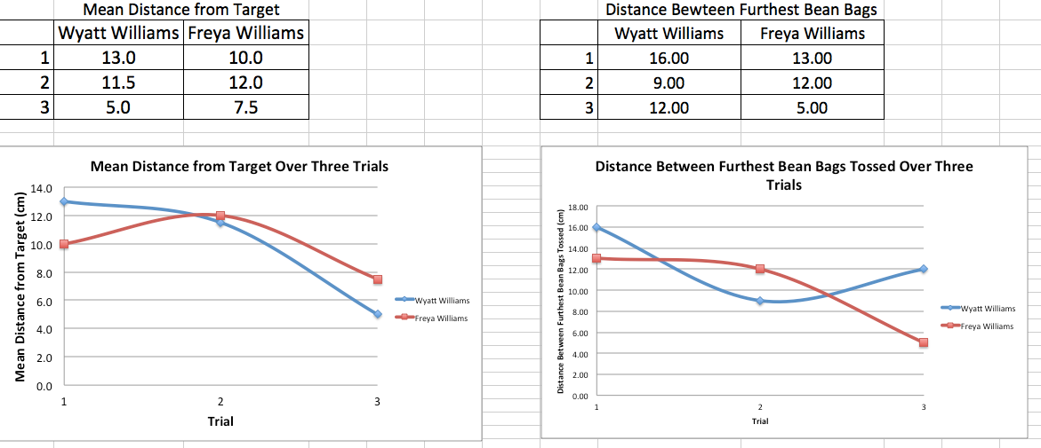

Student Names
 | Mean Distance from Target |  |  |  |  | Distance Bewteen Furthest Bean Bags
 | Student Name | Student Name | Student Name | Student Name |  | Student Name | Student Name | Student Name | Student Name
1 |  |  |  |  | 1
2 |  |  |  |  | 2
3 |  |  |  |  | 3

 | Student Name | Student Name | Student Name | Student Name
1
2
3
 | Student Name | Student Name | Student Name | Student Name
1
2
3

